Skill Board
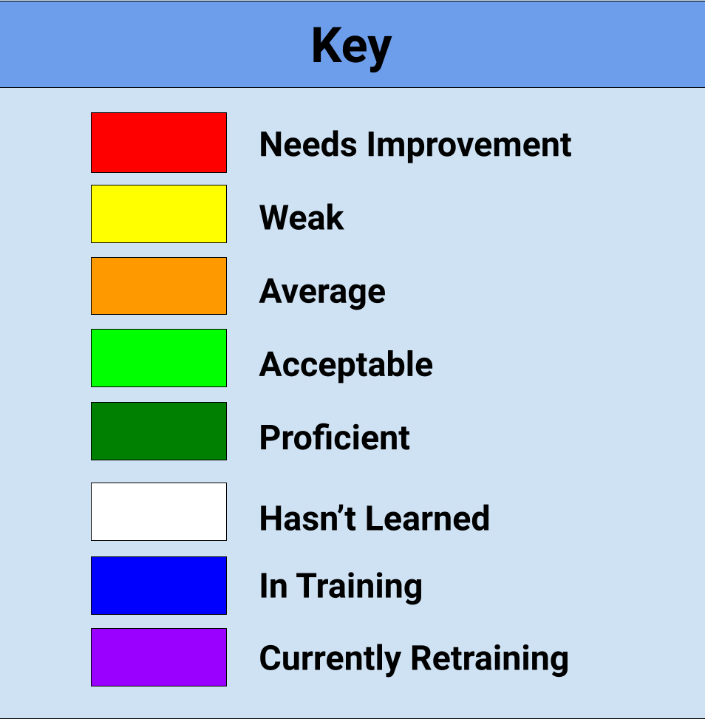
 | Breading | Buns | Dish | Dish (Spraying Raw) | Fries (Primary) | Fries (Secondary) | Machines | Prep | Rotations | Screens | Set-Ups
Kent, Clark
Parker, Peter
Washington, George

